SCHOOL GATE
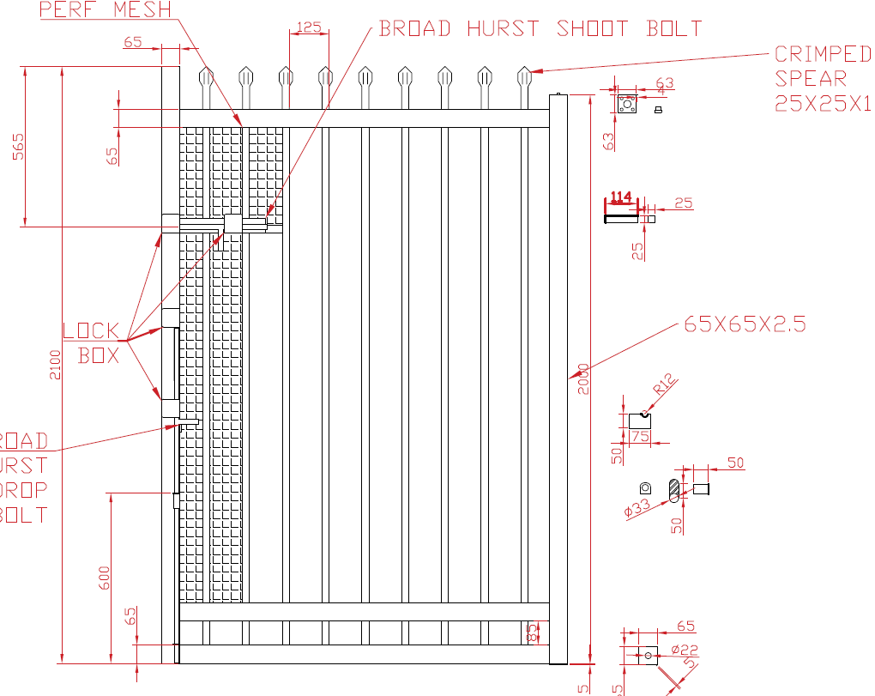
SCHOOL SPEC DOUBLE GATE CUT LISTS CALCULATOR |  |  |  |  |  | SCHOOL SPEC SINGLE GATE CUT LISTS CALCULATOR
WELD GATE NUMBER !! |  |  | 65x65x1.6 |  |  | WELD GATE NUMBERS ON |  |  | 65x65x1.6 | 125
GATE # | OPENING | ACTUAL | 6 X PUNCHED RAIL | LEAFS | SWING | GATE # | OPENING | ACTUAL | 3 X PUNCHED RAIL | LEAFS
 |  | -60mm | -190mm | 0 |  |  |  | -70mm | -200mm | 0
 |  | -60mm | -190mm | 0 |  |  |  | -70mm | -200mm | 0
 |  | -60mm | -190mm | 0 |  |  |  | -70mm | -200mm | 0
 |  | -60mm | -190mm | 0 |  |  |  | -70mm | -200mm | 0
 |  | -60mm | -190mm | 0 |  |  |  | -70mm | -200mm | 0
 |  | -60mm | -190mm | 0 |  |  |  | -70mm | -200mm | 0
 |  | -60mm | -190mm | 0 |  |  |  | -70mm | -200mm | 0
 |  | -60mm | -190mm | 0 |  |  |  | -70mm | -200mm | 0
 |  | -60mm | -190mm | 0 |  |  |  | -70mm | -200mm | 0
 |  | -60mm | -190mm | 0 |  |  |  | -70mm | -200mm | 0
 |  | -60mm | -190mm | 0 |  |  |  | -70mm | -200mm | 0
180° SWING DOUBLE GATES for 100 posts |  |  |  |  | 180° SWING SINGLE GATES for 100 posts
 |  | 73mm | -58mm | 0 |  |  |  | 63mm | -68mm
 |  | 73mm | -58mm | 0 |  |  |  | 63mm | -68mm | 0
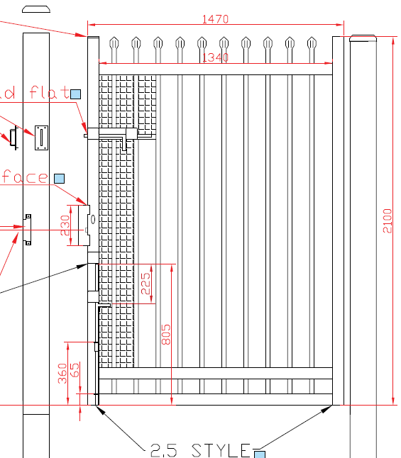
 |  | 73mm | -58mm | 0 |  |  |  | 63mm | -68mm | 0
 |  |  | TOTAL LEAFS = | 0 |  |  |  |  | TOTAL LEAFS = | 0
GATE HINGE KIT CALCULATOR

what |  | qty | total |  |  | DET SPEC ACCESS CONTROL GATE CUT LISTS CALCULATOR
D/G KEEPER |  | 0 | 0 |  |  | MAMMOUTH HINGES |  |  | 65x65x1.6 (centers)
S/G KEEPER |  | 0 | 0 |  | SWING | LOCK | OPENING | ACTUAL | 3 X PUNCHED RAIL | LEAF
INGROUNDS |  |  | 0 |  |  | MORTIC | 1000mm | 970mm | 840mm | 1
BRASS WASHER |  |  | 0 |  |  | MAG | 1000mm | 960mm | 830mm | 1
SECURITY BOLT |  |  | 0
HINGE BOLT |  |  | 0
HINGE 85PST-M |  |  | 0
BOTTOM HINGE |  |  | 0

m18 act
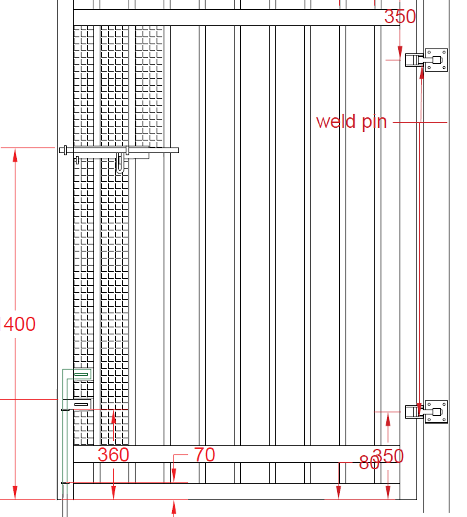
HEIGHT |  | CENTERS |  | M18 HINGES |  | HEIGHT |  | CENTERS |  | M18HINGES
WELD GATE NUMBER !! |  |  | 65x65x1.6 | SPEAR |  | WELD GATE NUMBERS ON |  |  | 65x65x1.6 | SPEAR
GATE # | OPENING | ACTUAL | 6 X PUNCHED RAIL | PICKETS | SWING | GATE # | OPENING | ACTUAL | 3 X PUNCHED RAIL | PICKETS
 |  | -35mm | -165mm | -1 | LEFT |  |  | -40mm | -170mm | -1
 |  | -35mm | -165mm | -1 | RIGHT |  |  | -40mm | -170mm | -1
 |  | -35mm | -165mm | -1 | LEFT |  |  | -40mm | -170mm | -1
 |  | -35mm | -165mm | -1 | LEFT |  |  | -40mm | -170mm | -1
 |  | -35mm | -165mm | -1 | LEFT |  |  | -40mm | -170mm | -1
 |  | -35mm | -165mm | -1 | LEFT |  |  | -40mm | -170mm | -1
 |  | -35mm | -165mm | -1 | LEFT |  |  | -40mm | -170mm | -1
 |  | -35mm | -165mm | -1 | LEFT |  |  | -40mm | -170mm | -1
 |  | -35mm | -165mm | -1 | LEFT |  |  | -40mm | -170mm | -1
 |  | -35mm | -165mm | -1 | LEFT |  |  | -40mm | -170mm | -1
 |  | -35mm | -165mm | -1 | LEFT |  |  | -40mm | -170mm | -1

STYLES |  |  |  |  | STYLES
65X65X2.5 HINGE |  | 0 |  |  | 65X65X2.5 HINGE |  | 0
65X65X1.6 LATCH |  | 0 |  |  | 65X65X1.6 LATCH |  | 0

chain wire gates
BARB TOP GATES
INFO |  | CUT LIST
GATE QTY | 1 | WHAT | LENGTH | QTY
OPENING |  | STYLES BARB ONE END | 410mm | 4
S OR D | D | VERTICAL CRIMP BOTH ENDS | -75mm | 0
ACTUAL | -30mm | HORIZONTALS CRIMP BOTH ENDS | -127mm | 2
HEIGHT |  | BARB TOPER CRIMPED ONE END | 410mm | 0 | 0
FRAME | 40nb
GRADE |  |  |  |  | 0
BARBS | 3

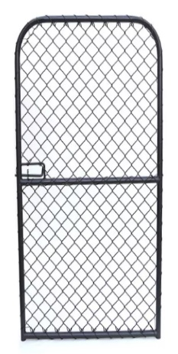
 |  | CUT LIST
ROLL TOP GATES |  | WHAT | LENGTH | QTY
INFO |  | OVERALL LENGTH | -295mm | 1
GATE QTY | 1 | BEND MARK FROM EACH END | -65mm
OPENING |  | BETWEEN MARK MEASURMENT | -165mm
S OR D | S | HORIZONTALS CRIMP BOTH ENDS | -115mm | 1
ACTUAL | -30mm | VERTICAL CRIMP BOTH ENDS | -67mm | 0
HEIGHT
FRAME | 32nb
GRADE
 |  |  |  |  | 0

flat top new
FLAT TOP |  |  |  |  |  | CUT LIST

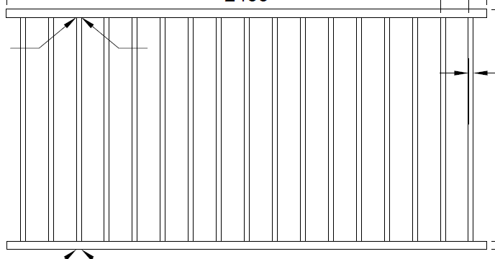
PANELS |  |  |  |  |  | 25X25X1.2 |  | 40X40 2HOLE |  | 40X40 1 HOLE
QTY | RAKE | LENGTH | HEIGHT | C |  | QTY | LENGTH | QTY | LENGTH | QTY | LENGTH
 |  |  |  |  |  | #DIV/0! | -10mm | 0 | 0mm | 0 | 0mm
 |  |  |  |  |  | #DIV/0! | -10mm | 0 | 0mm | 0 | 0mm
 |  |  |  |  |  | #DIV/0! | -10mm | 0 | 0mm | 0 | 0mm
 |  |  |  |  |  | #DIV/0! | -10mm | 0 | 0mm | 0 | 0mm
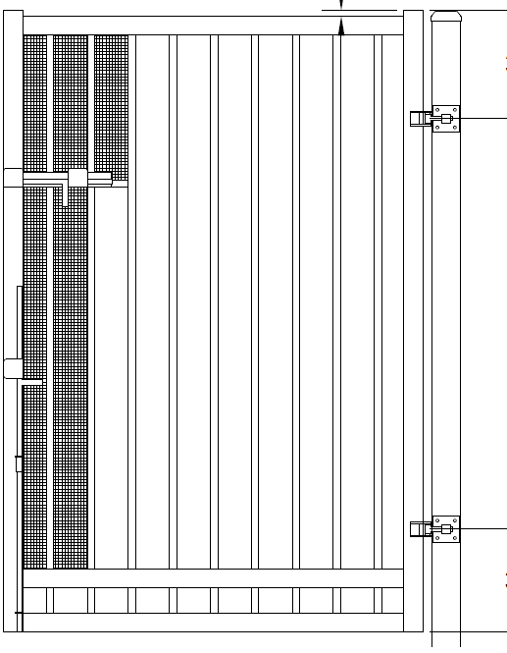
 |  |  |  |  |  | #DIV/0! | -10mm | 0 | 0mm | 0 | 0mm
GATES M18 |  |  |  |  |  | 25X25X1.2 |  | 65X65 2HOLE |  | 65X65 1 HOLE |  | 65X65X2.5 |  | 65X65X1.6
# | OPENING | ACTUAL | HEIGHT | C | S/D | QTY | LENGTH | QTY | LENGTH | QTY | LENGTH | QTY | LENGTH | QTY | LENGTH
 |  | -35mm |  |  | d | #DIV/0! | -10mm | 4 | -165mm | 2 | -165mm | 2 | 20mm | 2 | 20mm
 |  | -35mm |  |  | d | #DIV/0! | -10mm | 4 | -165mm | 2 | -165mm | 2 | 20mm | 2 | 20mm
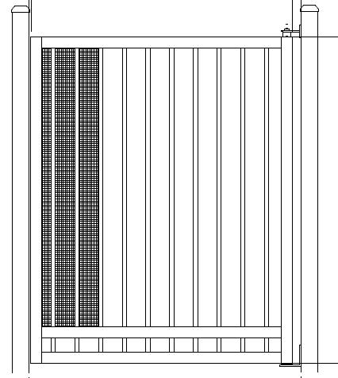
 |  |  |  |  |  | 25X25X1.2 |  | 65X65 2HOLE |  | 65X65 1 HOLE |  | 65X65X2.5 |  | 65X65X1.6
SCHOOL HINGES |  |  |  |  |  | QTY | LENGTH | QTY | LENGTH | QTY | LENGTH | QTY | LENGTH | QTY | LENGTH
 |  | -60mm |  |  | d | #DIV/0! | -10mm | 4 | -190mm | 2 | -190mm | 2 | 0mm | 2 | 20mm
 |  | -70mm |  |  | S | #DIV/0! | -10mm | 2 | -200mm | 1 | -200mm | 1 | 0mm | 1 | 20mm
 |  | -60mm |  |  | d | #DIV/0! | -10mm | 4 | -190mm | 2 | -190mm | 2 | 0mm | 2 | 20mm
 |  | -60mm |  |  | d | #DIV/0! | -10mm | 4 | -190mm | 2 | -190mm | 2 | 0mm | 2 | 20mm
 |  | -60mm |  |  | d | #DIV/0! | -10mm | 4 | -190mm | 2 | -190mm | 2 | 0mm | 2 | 20mm
 |  | -60mm |  |  | d | #DIV/0! | -10mm | 4 | -190mm | 2 | -190mm | 2 | 0mm | 2 | 20mm
 |  | -60mm |  |  | d | #DIV/0! | -10mm | 4 | -190mm | 2 | -190mm | 2 | 0mm | 2 | 20mm
GATES 40 FRAME - PLASTICS |  |  |  |  |  | 25X25X1.2 |  | 40X40 2HOLE |  | 40X40 1 HOLE |  | 40X40X1.6 |  | 40X40X2.5
# | OPENING | ACTUAL | HEIGHT | C | S/D | QTY | LENGTH | QTY | LENGTH | QTY | LENGTH | QTY | LENGTH | QTY | LENGTH
 |  | -30mm |  |  | d | #DIV/0! | -10mm | 4 | -110mm | 2 | -110mm | 2 | 20mm | 2 | 20mm
 | 1550 | 745 | 2100 |  | D | #DIV/0! | 2090 | 4 | 665 | 2 | 665 | 2 | 2100 | 2 | 2100

SLIDING&CANT GATE
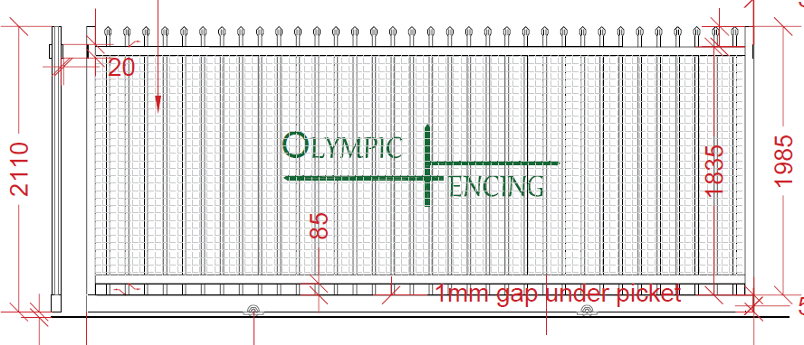
 | SLIDING GATE CALCUALTION |  |  |  |  |  |  |  |  | 65x65x1.6
300550HC wheels |  | MANUAL OR AUTO |  |  | 25X25X1.2 |  | X 1 | X 2 | 65X65 QTY2 | 65X65 QTY 3
CENTERS | HIGHT | OPENING | latching | ACUTAL | SPEAR PICKETS | PICKET QTY | 125X75X3 | 65X65X2.5 | HAND PUNCH RAIL | HAND PUNCH RAIL
 |  |  | A | 800mm | 0 | 7 | 0mm | 10mm | 0mm | 670mm
 |  | 358 Y/N | N | 0kg

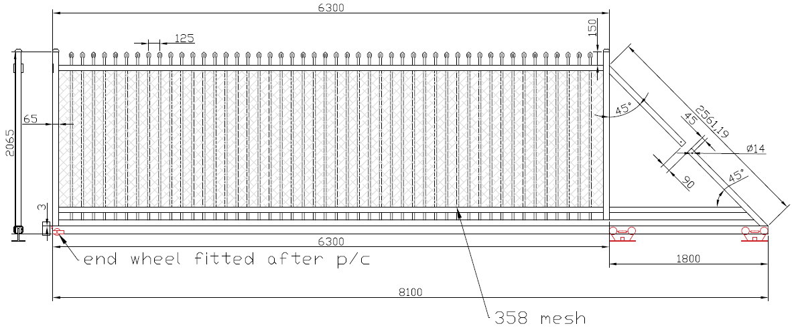
CANT GATE FORMUAL MEDIUM TRACK 1800 CAGE |  |  |  |  | 25x25x1.2 |  |  |  | 65x65x1.6
CENTERS | HIGHT | OPENING | M/A | ACUTAL | SPEAR PICKETS | PICKET QTY | CANT TRACK | 65X65X2.5 | HAND PUNCH RAIL X 3
 |  |  | A | 2200mm | -135mm | 2 | 2200mm | -125mm | 270mm
 |  | 358 Y/N | N | 0kg

SLIDING GATE WEIGHT
PICKETS | RAIL | RAIL & STYLE | 358 | TOTAL PLUS 10KG
0kg | 0kg | 6kg | 0kg |  | 16kg
CANT GATE WEIGHT
PICKETS | TRACK | RAIL & STYLES | 358 | TOTAL PLUS 10KG
0kg | 26kg | 1kg | 0kg |  | 37kg

CANT GATE FORMUAL SMALL TRACK 600 CAGE |  |  |  |  | 25x25x1.2 |  |  |  | 65x65x1.6
CENTERS | HIGHT | OPENING | M/A | ACUTAL | SPEAR PICKETS | PICKET QTY | CANT TRACK | 65X65X2.5 | HAND PUNCH RAIL X 3
125 |  |  | A | 1000mm | -100mm | 1 | 995mm | -85mm | 170mm
 |  | 358 Y/N | N | 3kg

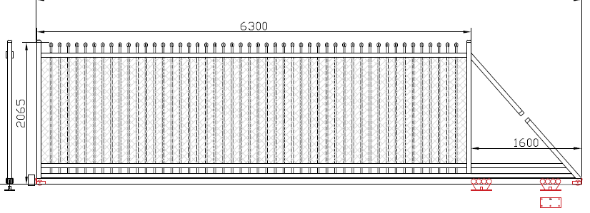
SS CANT with end wheels MEDIUM TRACK 1260 CAGE |  |  |  |  | 25x25x1.2 |  |  |  | 65x65x1.6
CENTERS | HIGHT | OPENING | M/A | ACUTAL | SPEAR PICKETS | PICKET QTY | CANT TRACK | 65X65X2.5 | HAND PUNCH RAIL X 3
 |  |  | A | 1900mm | -135mm | 1 | 1900mm | -125mm | 170mm
 |  | 358 Y/N | Y | 0kg

BIG SLIDING&CANT GATES
SLIDING GATE CALCUALTION
 |  | MANUAL OR AUTO
CENTERS | HIGHT | OPENING | M/A | ACUTAL
135 |  |  | A | 800mm
usind WRD-100 dual sliding gate wheels
25X25X1.2 |  | X 3 PUNCHED |  | 2 X STYLES
SPEAR PICKETS | PICKET QTY | 100X100X3 |  | 100X100X3
-35mm | 4 | 600mm |  | -25mm
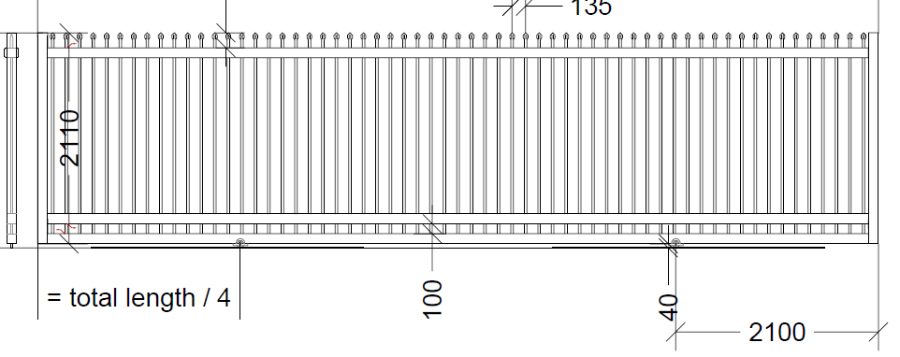
using 300550HC single wheel
25X25X1.2 |  | X 3 PUNCHED |  | 2 X STYLES
SPEAR PICKETS | PICKET QTY | 100X100X3 |  | 100X100X3
0mm | 4 | 600mm |  | 10mm

WEIGHT | 0kg | 0kg | 11kg | 0kg
 |  |  | TOTAL KG = | 20kg

CANT GATE FORMUAL LARGE 100 FRAME AUTO ONLY |  |  |  | 25x25x1.2 | 1700 cage
CENTERS | HIGHT | OPENING | ACUTAL | SPEAR PICKETS | PICKET QTY | CANT TRACK | 100X100X3 | 100X100X3 PUNCHED
135 |  |  | 2300mm | -300mm | 1 | 2300mm | -205mm | 100mm
 |  | 358 Y/N | N | 0kg

CANT GATE WEIGHT
PICKETS | TRACK | RAIL & STYLES | 358 | TOTAL PLUS 10KG
0kg | 52kg | -1kg | 0kg |  | 61kg

TELESCOPIC

TELESCOPIC RANGER GATES
 |  |  |  |  |  | PUNCHED RAIL |  | STYLES |  | SPEAR TOP PICKETS
STAGE | OPENING | HIEGHT | CENTERS | ACTUAL | QTY | 100X100X3 | QTY | 100X100X3 | QTY | 25X25X1.2
2 |  |  | 125 | 600mm | 6 | 400mm | 6 | 10mm | 6 | 0mm

002 EGRESS
002 EGRESS BARB TOP GATES |  |  |  |  | GATES 40 FRAME - 002 EGRESS |  |  |  | SPEAR TOP | 25X25X1.2 |  | 40X40X1.6 2HOLE |  | 40X40X2
INFO |  | CUT LIST |  |  | # | OPENING | ACTUAL | HEIGHT | CENTERS | QTY | LENGTH | QTY | LENGTH | QTY | LENGTH
OPENING |  | WHAT | LENGTH | QTY |  |  | -25mm |  | 140 | -1 | 0mm | 3 | -105mm | 2 | 0mm
ACTUAL | -25mm | STYLES BARB ONE END | 410mm | 2
HEIGHT |  | VERTICAL CRIMP BOTH ENDS | -75mm | 0
FRAME | 40nb | HORIZONTALS CRIMP BOTH ENDS | -122mm | 2 | KENNARDS - 002 EGRESS |  |  |  |  | 25X25X2 CUT 45° |  | 40X40X2.5, 2HOLE |  | 40X40X2.5
GRADE | XL | BARB TOPER CRIMPED ONE END | 410mm | 0 | # | OPENING | ACTUAL | HEIGHT | CENTERS | QTY | LENGTH | QTY | LENGTH | QTY | LENGTH
BARBS | 3 |  |  |  |  |  | -25mm |  | 150 | -1 | 0mm | 3 | -105mm | 2 | 0mm
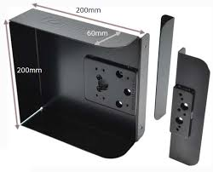
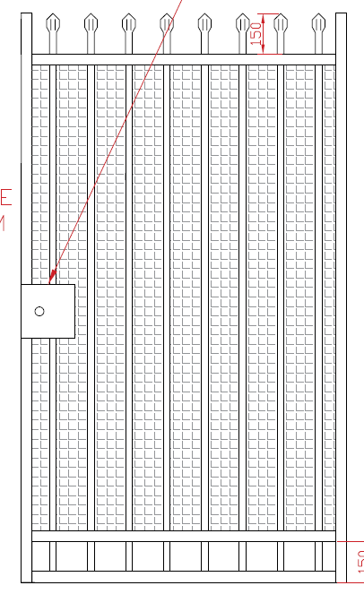
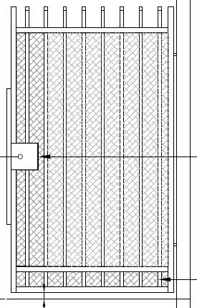
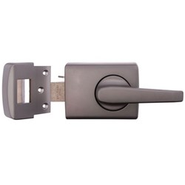
002 EGRESS ROLL TOP GATES
INFO |  | CUT LIST
OPENING |  | WHAT | LENGTH | QTY
ACTUAL | -25mm | OVERALL LENGTH | -290mm | 1
HEIGHT |  | BEND MARK FROM EACH END | -65mm
FRAME | 32nb | BETWEEN MARK MEASURMENT | -160mm
GRADE | XL | HORIZONTALS CRIMP BOTH ENDS | -110mm | 2
 |  | VERTICAL CRIMP BOTH ENDS | -67mm | 0

38x25
16mm 38x25 panels and gates flat top

GATES 38x25 FRAME - PLASTICS |  |  |  |  |  |  | 16mm |  | 38x25 2HOLE |  | 38x25 1 HOLE |  | 38x25
# | OPENING | ACTUAL | HEIGHT | C | S/D | material | QTY | LENGTH | QTY | LENGTH | QTY | LENGTH | QTY | LENGTH
 |  | -30mm |  | 98 | S | Steel | 0 | -10mm | 1 | -80mm | 1 | -80mm | 2 | 20mm
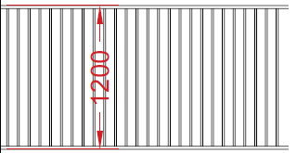
38x25 PANELS |  |  |  |  |  |  | 16mm |  | 38x25 2HOLE |  | 38x25 1 HOLE
QTY | RAKE | LENGTH | HEIGHT | C | material |  | QTY | LENGTH | QTY | LENGTH | QTY | LENGTH
 |  |  |  | 98 | Steel |  | 0 | -10mm | 0 | 0mm | 0 | 0mm
 |  |  |  | 98 |  |  | 0 | -10mm | 0 | 0mm | 0 | 0mm

colourbond
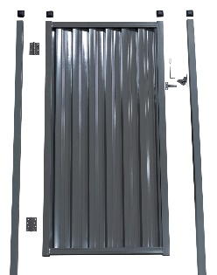
colour bond gate cut list
type of colour bond |  |  |  | lysart | or | ourtown | < must select one
gate # | S / D | height | opening | actual | 65x35x2 | QTY | c/b rail | QTY | strip | QTY
 | d |  |  | -30mm | 20mm | X 4 | -100mm | X 4 | -10mm | X 4
 | S |  |  | -30mm | 20mm | X 2 | -100mm | X 2 | -10mm | X 2

358 corro gate
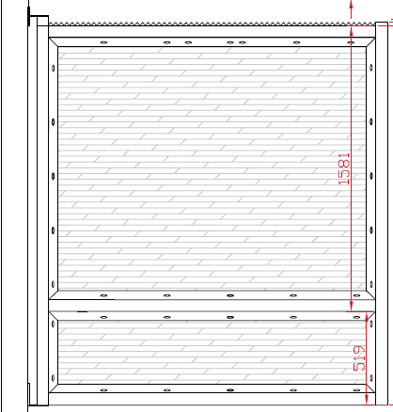
corro mesh school spec gate using 358
Note once gate leaf is over 2400mm internal measurement the design changes
HEIGHT is for 2100 only | 2100
 |  | ACCESS |  | SG |  | SG |  | SG |  | DG |  | DG |  | DG |  | DG
 | *GAL* |  | QTY |  | QTY |  | QTY |  | QTY |  | QTY |  | QTY |  | QTY |  | QTY
HINGE STYLE | 65x65x2.5 | 2100mm | 1 | 2100mm | 1 | 2100mm | 1 | 2100mm | 1 | 2100mm | 2 | 2100mm | 2 | 2100mm | 2 | 2100mm | 2
LATCH STYLE | 65X65X1.6 (use 2.5 for access gate) | 2120mm | 1 | 2120mm | 1 | 2120mm | 1 | 2120mm | 1 | 2120mm | 2 | 2120mm | 2 | 2120mm | 2 | 2120mm | 2
RAIL | 65X65X1.6 | -185mm | 3 | -200mm | 3 | -200mm | 3 | -200mm | 3 | -190mm | 6 | -190mm | 6 | -190mm | 6 | -190mm | 6
TOP VERTICALS | EA50X5 PUNCHED 45° both ends \___/ | 453mm | 2 | 453mm | 2 | 453mm | 2 | 453mm | 2 | 453mm | 4 | 453mm | 4 | 453mm | 4 | 453mm | 4
TOP HORIZONTALS | EA50X5 PUNCHED 45° both ends \___/ | -186mm | 2 | -201mm | 2 | -201mm | 2 | -201mm | 2 | -191mm | 4 | -191mm | 4 | -191mm | 4 | -191mm | 4
BOTTOM VERTICALS | EA50X5 PUNCHED 45° both ends \___/ | 1450mm | 2 | 1450mm | 2 | 1450mm | 2 | 1450mm | 2 | 1450mm | 4 | 1450mm | 4 | 1450mm | 4 | 1450mm | 4
BOTTOM HORIZONTALS | EA50X5 PUNCHED 45° both ends \___/ | -336mm | 2 | -351mm | 2 | -351mm | 2 | -351mm | 2 | -341mm | 4 | -341mm | 4 | -341mm | 4 | -341mm | 4
DROP BOLT COVER | EA50X5 | 1451mm | 1 | 1451mm | 1 | 1451mm | 1 | 1451mm | 1 | 1451mm | 2 | 1451mm | 2 | 1451mm | 2 | 1451mm | 2
croc strip |  | -190mm | 1 | -205mm | 1 | -205mm | 1 | -205mm | 1 | -195mm | 2 | -195mm | 2 | -195mm | 2 | -195mm | 2

